Reports_Dashboards
Bubble Chart (could use IT value and Business Value as X/Y axis for systems, domain or business area)
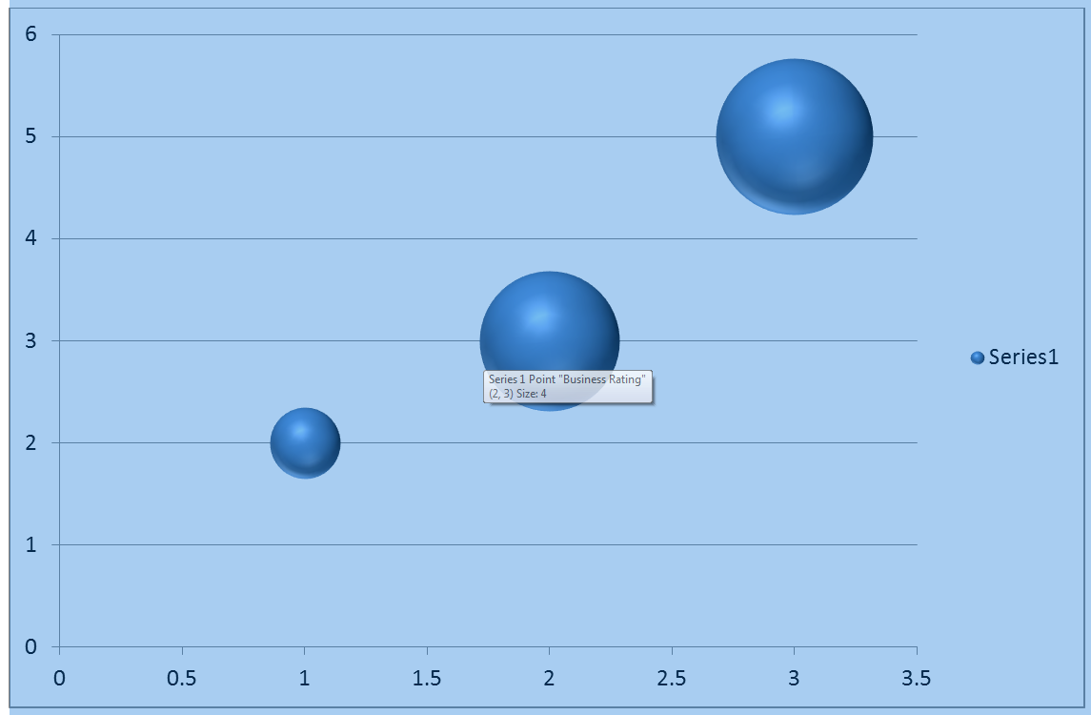

Org Report
Organization | Business Area | Rating
PenFed | -------------------- | 2.5
 | Product | 2.6
 | Sales & Servicing | 1.5
 | Risk Compliance | 1.8
 | Business Support | 4

Business Area Report
Business Area | Domain | Rating
Product | -------------------- | 2.6
 | Home Loan | 2.6
 | Credit Card | 1.5
 | Auto Loan | 3.3
 | Deposits | 3.1

Domain Report
Domain | System | Rating
Home Loans | -------------------- | 2.6
 | UniFi | 2.6
 | Fannie Mae | 1.5
 | MortgageBot | 3.3
 | Elynx | 3.1

